Sheet1
Risk Register |  |  |  |  |  |  |  |  |  |  | Risk Matrix
ID | Risk Description | Impact | Probability % | Severity | Owner | Mitigation and Contingency Plan | Follow up date | Impact date | Resolve date | Resolve Notes
Unique identifier | Detailed explanation of the risk | Determine the magnitude of impact if the risk happens on a scale from 1-5. Refer to the matrix. | The probability that the risk will impact the project. Refer to the matrix. | Use the matrix to determine if it is Low, Medium or High. This will be based on the probability and impact. | Who will be working on the mitigation plan and tracking risk. | Describe the steps that will need to take to prevent this risk(Mitigation) and steps that will be taken if the risk occurs(Contingency). | This is the date that the first action on the mitigation plan is due. This date can continue to move as the mitigation plan is processing. | This is date is determined by when this risk, if not closed, will turn into an issue. Once a risk reaches its impact date without a resolution an issue will need to be created. At this time close the risk out, noting that it was transferred to an issue and document that issue name in Notes on Closing. | This is the date that the risk is considered fully mitigated and there is no longer a risk to the project. | Describe how the risk was mitigated or if it was transferred into an issue. | 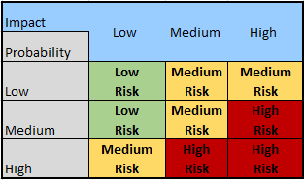
1
2
3
4
5

